Forest FES-Wave
Language:
English
 |  |  |  |  |  |  |  | Number of hooks |  |  |  | 16
 |  |  |  |  |  |  |  | in curtain needed

 |  | FES-wave
 |  |  |  |  |  |  |  | Number of |  |  |  | 14
 |  |  |  |  |  |  |  | carriers needed**

V2.6
Track type = | FMS (Shuttle) |  |  |  |  |  |  | Curtain stacking |  |  |  | 34 | cm
 |  |  |  |  |  |  |  | in open position
Track size in cm = | 100 |  |  |  |  |  |  | (minimal)

Type of Carrier = | Easywave |  |  |  |  |  |  | Total tape length |  |  |  | ± 256 | cm
 |  |  |  |  |  |  |  | required
Carrier distance = | 8 cm (60%)

One-way draw <> | One-way draw |  |  |  |  |  |  | Curtain fullness |  |  |  | 256 | %
Center closing =
Master type = | Steel

 |  |  |  |  |  |  |  | Total depth of the curtain:
 |  |  |  |  |  |  |  | - | In closed position |  |  | ± 13 | cm
 |  |  |  |  |  |  |  | - | With open position |  |  | ± 16 | cm

Distance between | 16
hooks in cm* =

 |  |  | 1 | ... | ... | ... | ... | ... |  | 15 | 16
* In combination with 'Easyflex hook fitter 9900000017'.
** Includes carriers that are placed inside master carriers.
*** Always measured from the left side, only for hand operated curtains.
- Product tolerances are calculated in the final results.
- No rights can be derived from this calculation tool.

 |  |  |  |  |  |  |  |  |  |  |  |  |  | 
 |  |  |  |  |  |  |  |  |  |  |  |  |  | 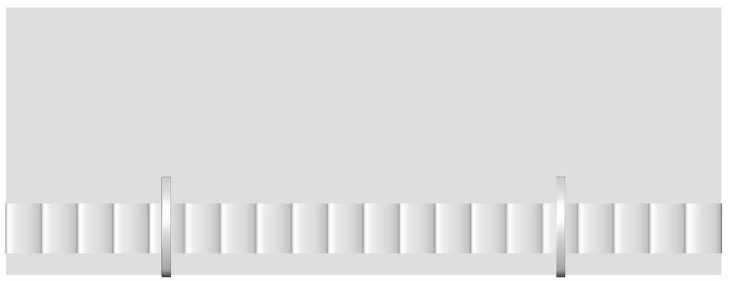

 |  |  |  |  |  |  |  |  |  |  |  |  |  |  | 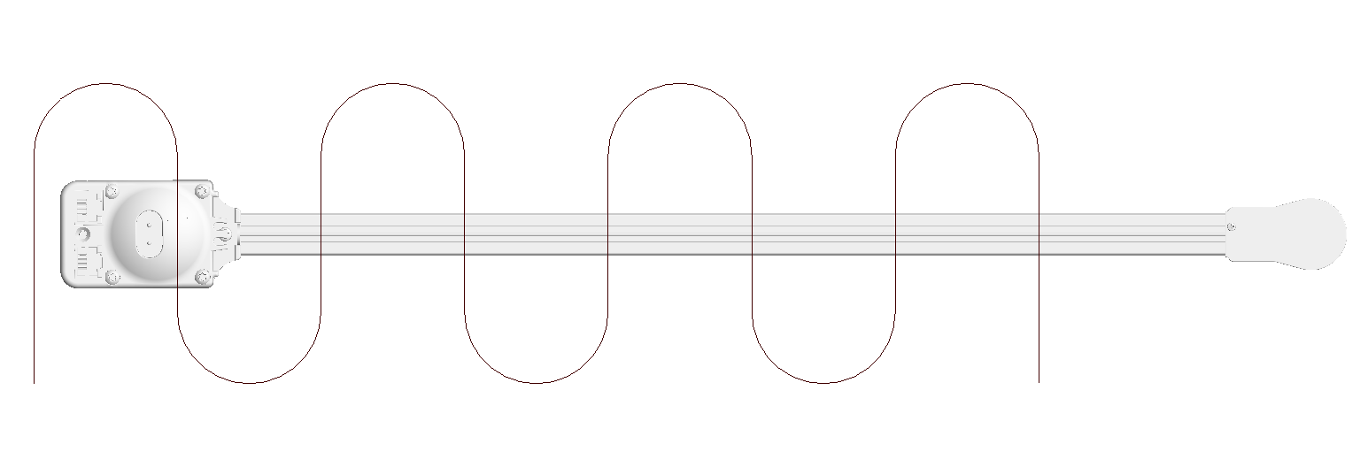 |  | 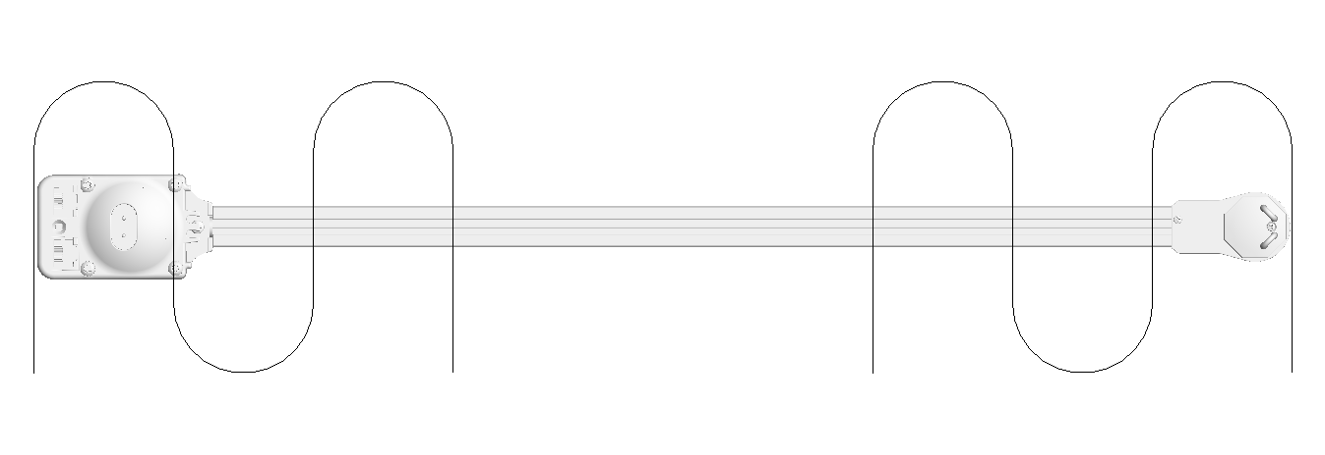 | 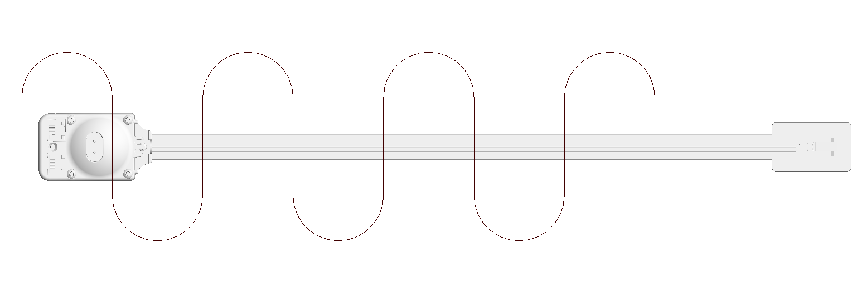 | 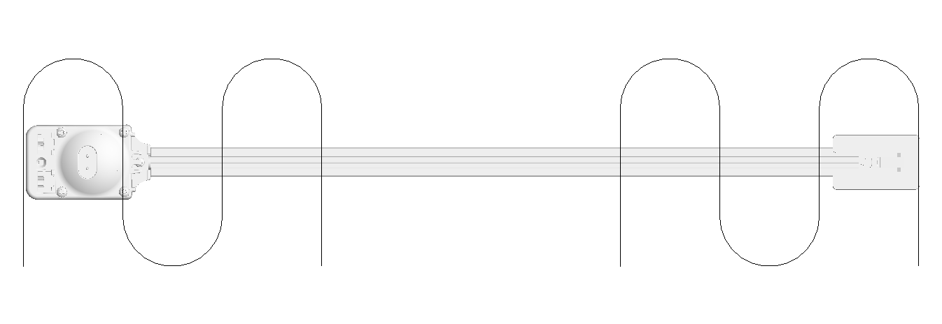
 |  |  |  |  |  |  |  |  |  |  |  |  |  |  | 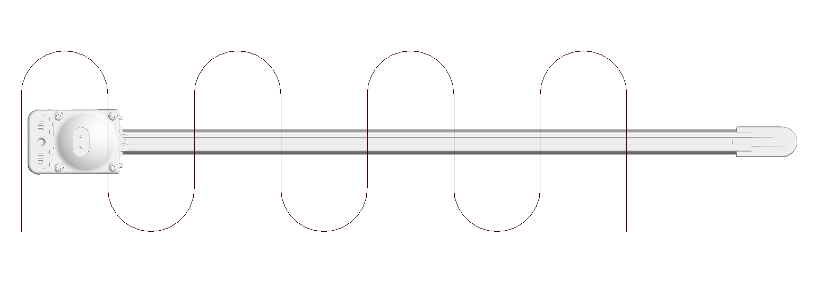 |  | 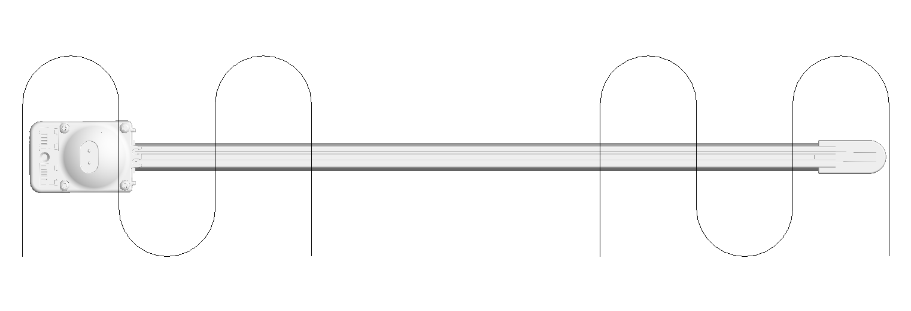
 |  |  |  |  |  |  |  |  |  |  |  |  |  |  | 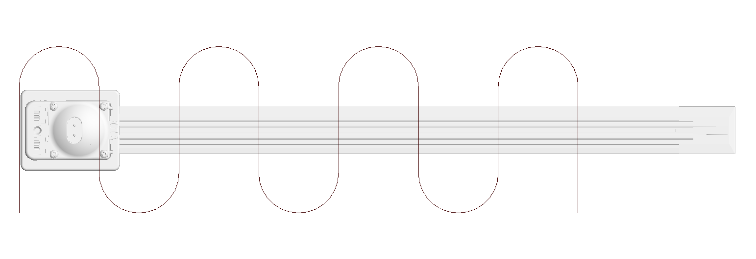 |  | 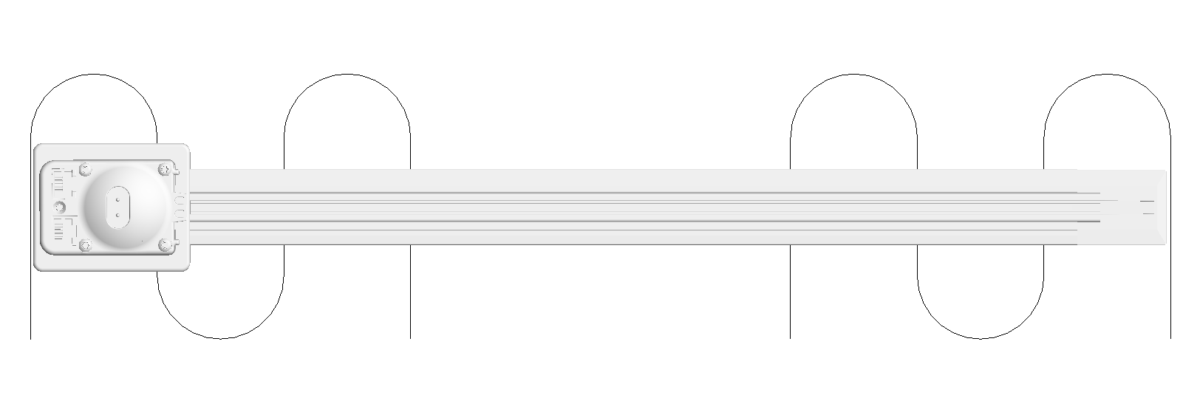
 |  |  |  |  |  |  |  |  |  |  |  |  |  |  | 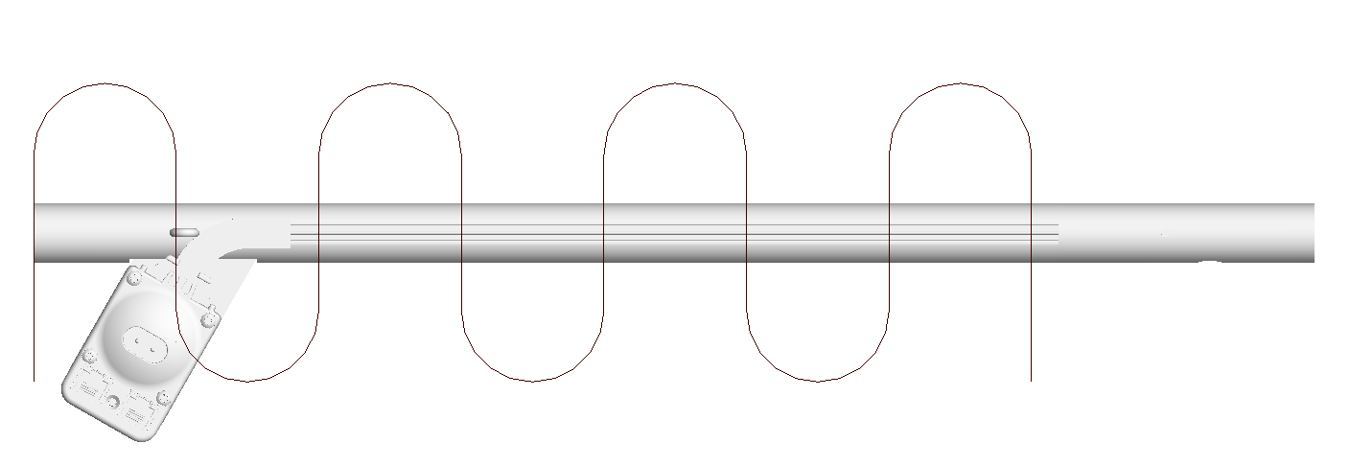 |  | 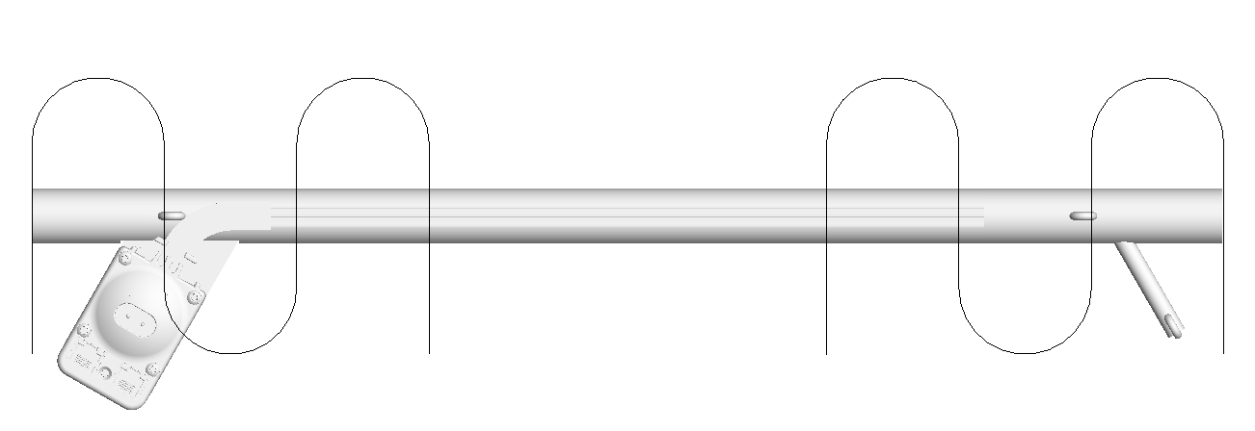
 |  |  |  |  |  |  |  |  |  |  |  |  |  |  | 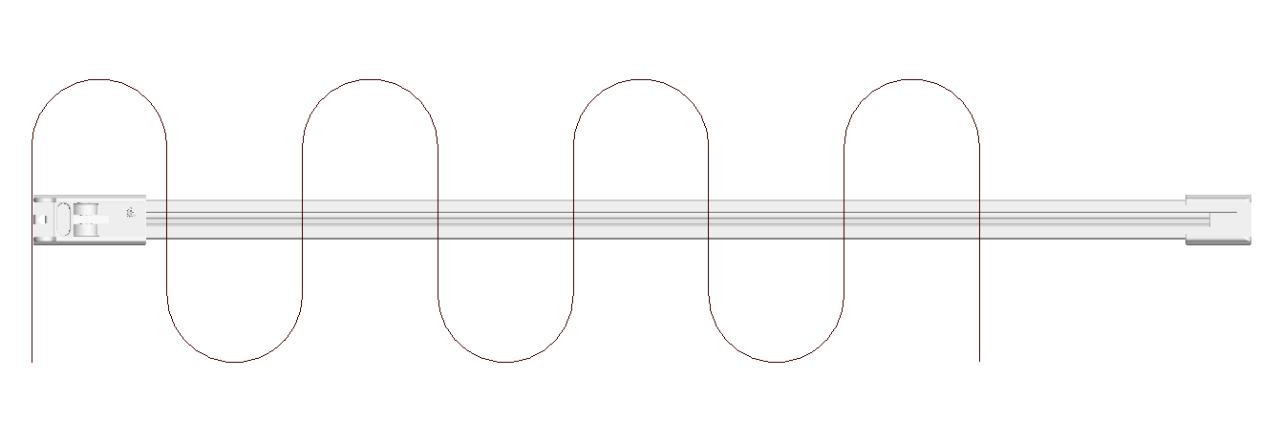 |  | 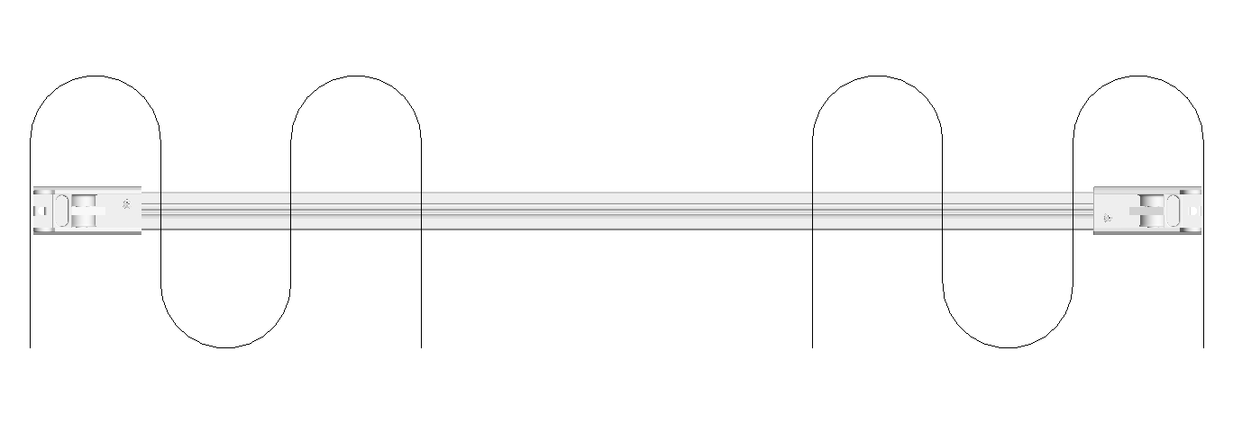
 |  |  |  |  |  |  |  |  |  |  |  |  |  |  | 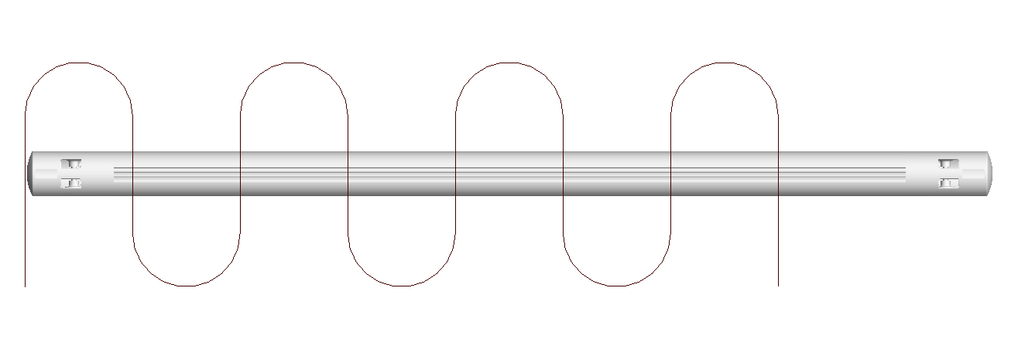 |  | 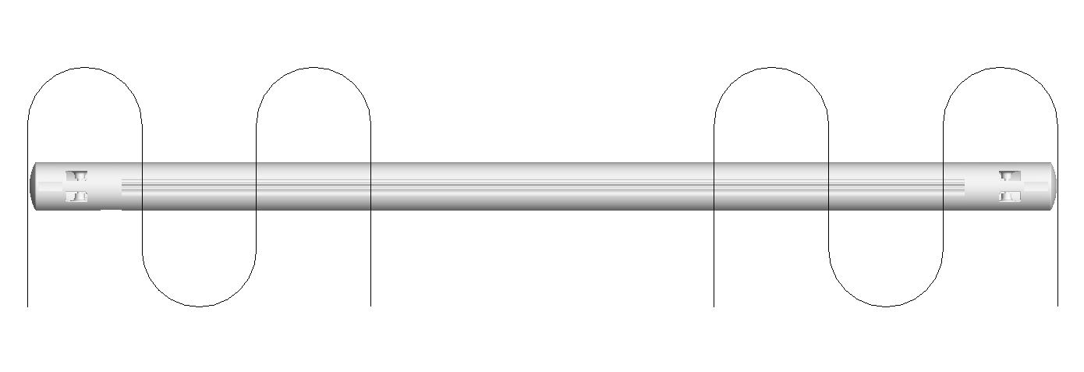
 |  |  |  |  |  |  |  |  |  |  |  |  |  |  | 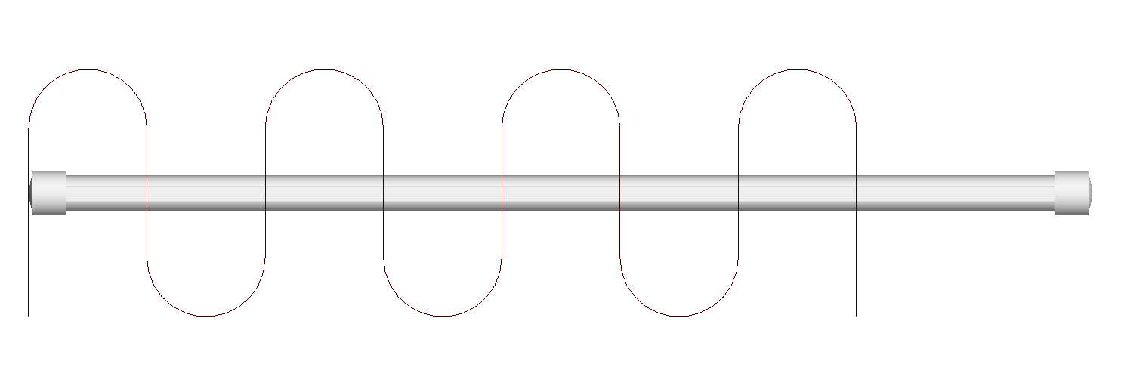 |  | 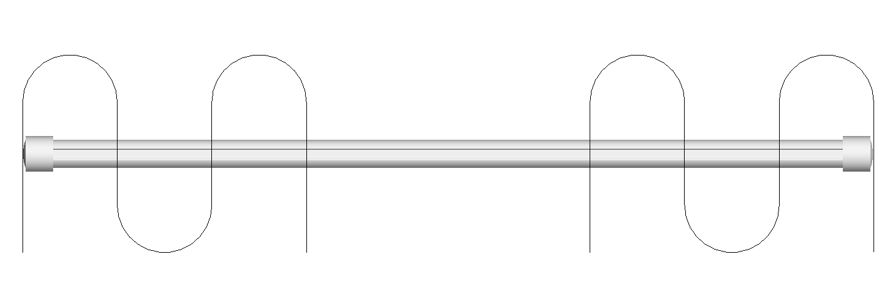
 |  |  |  |  |  |  |  |  |  |  |  |  |  |  | 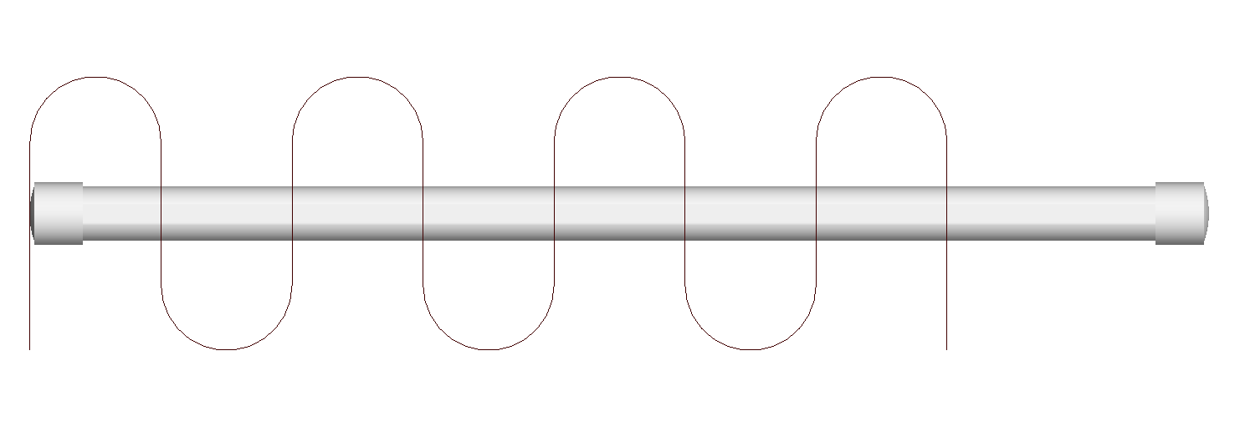 |  | 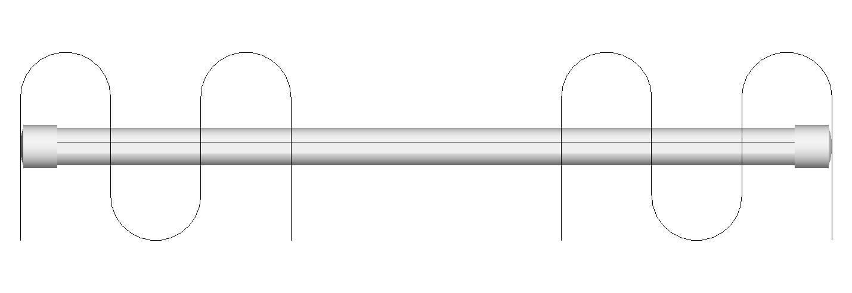
 |  |  |  |  |  |  |  |  |  |  |  |  |  |  | 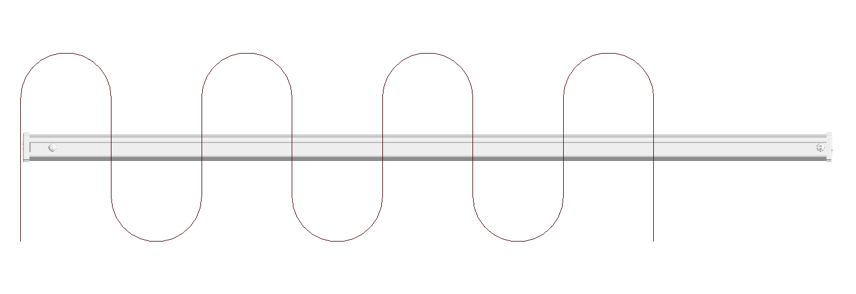 |  | 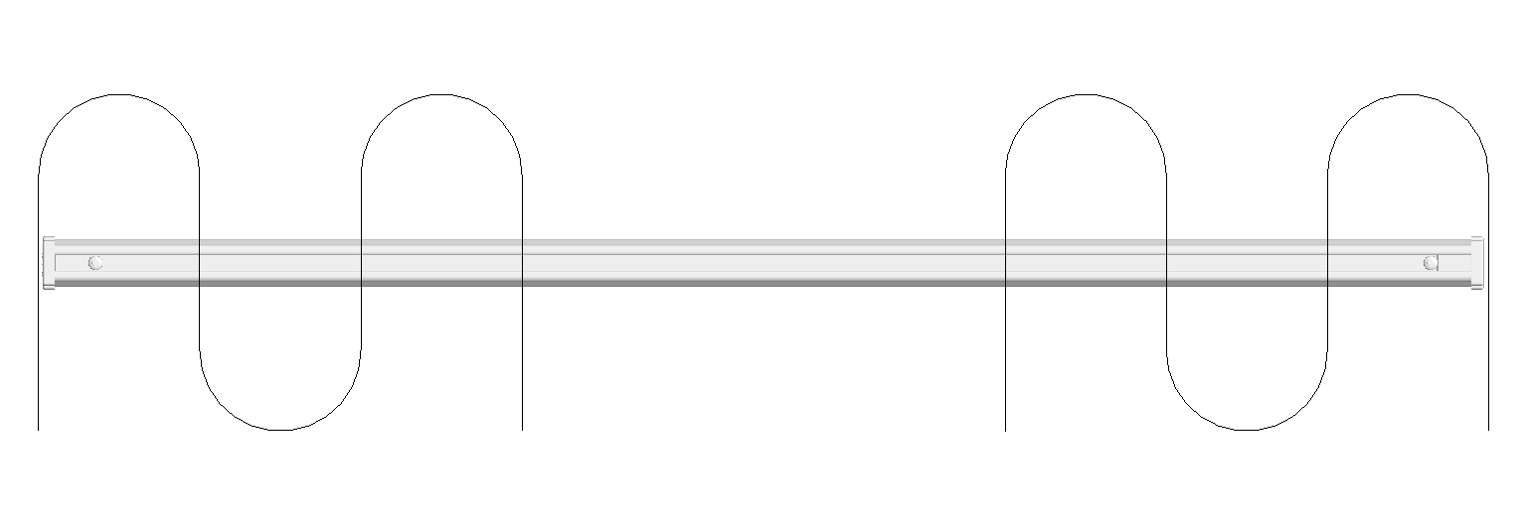
 |  |  |  |  |  |  |  |  |  |  |  |  |  |  | 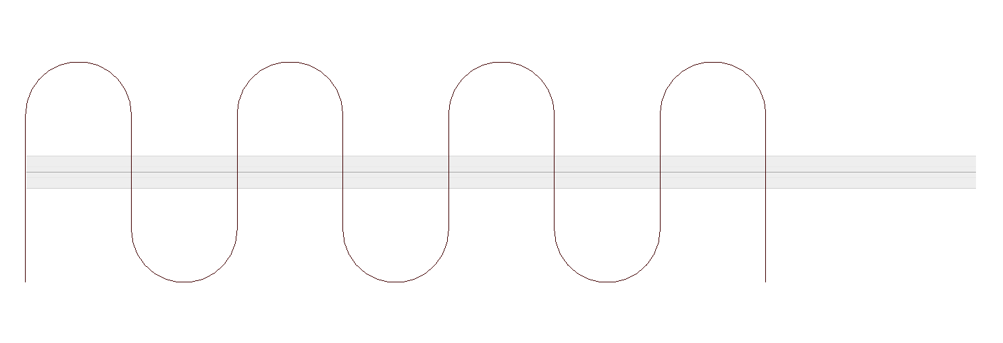 |  | 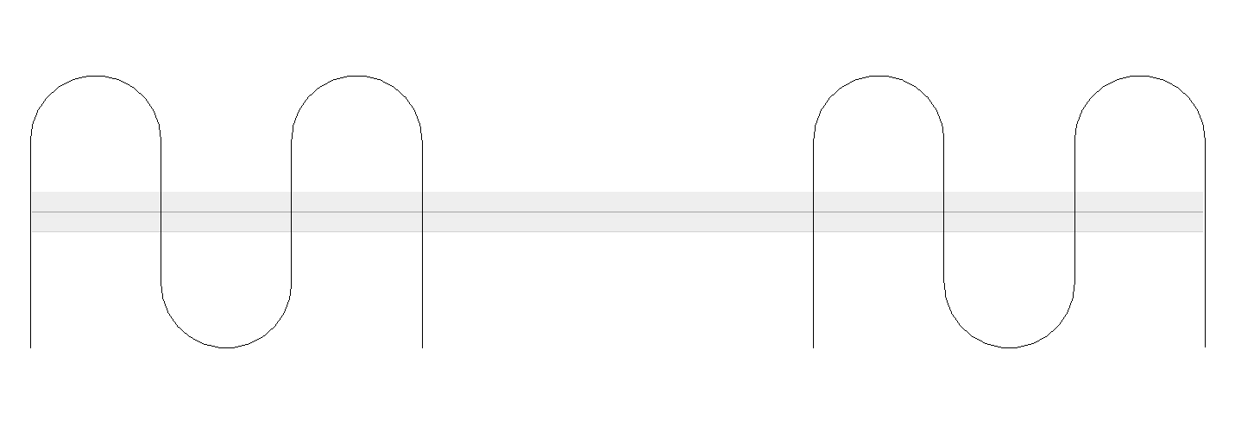
 |  |  |  |  |  |  |  |  |  |  |  |  |  |  | 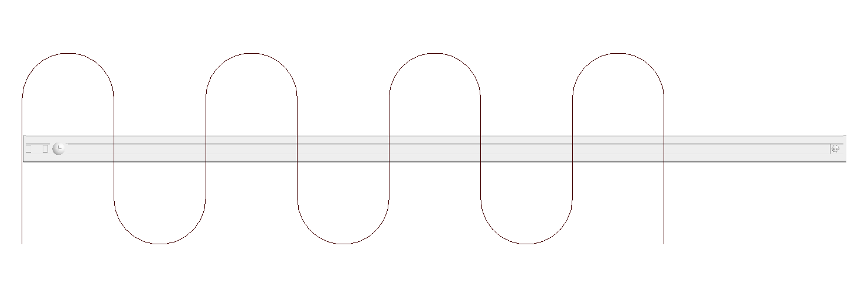 |  | 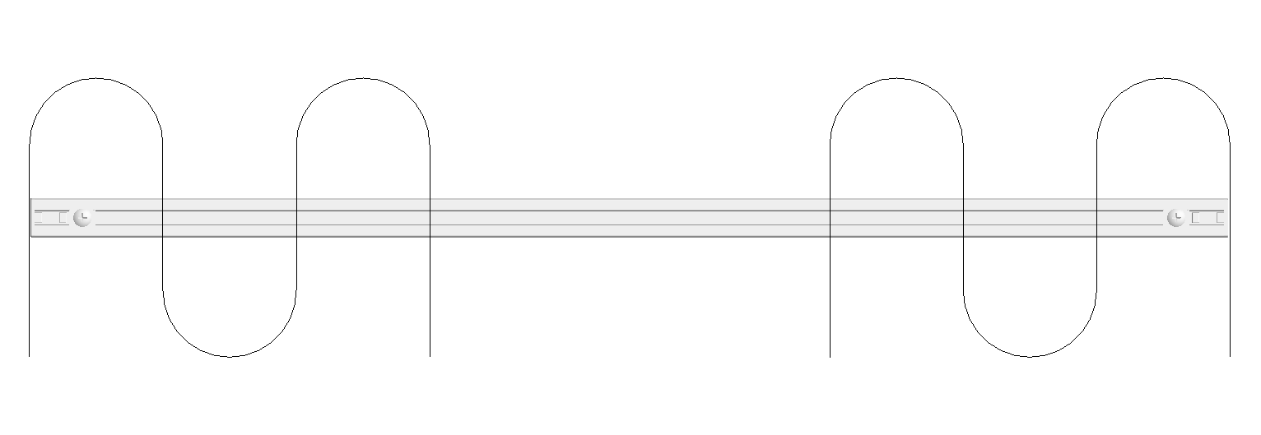
 |  |  |  |  |  |  |  |  |  |  |  |  |  |  | 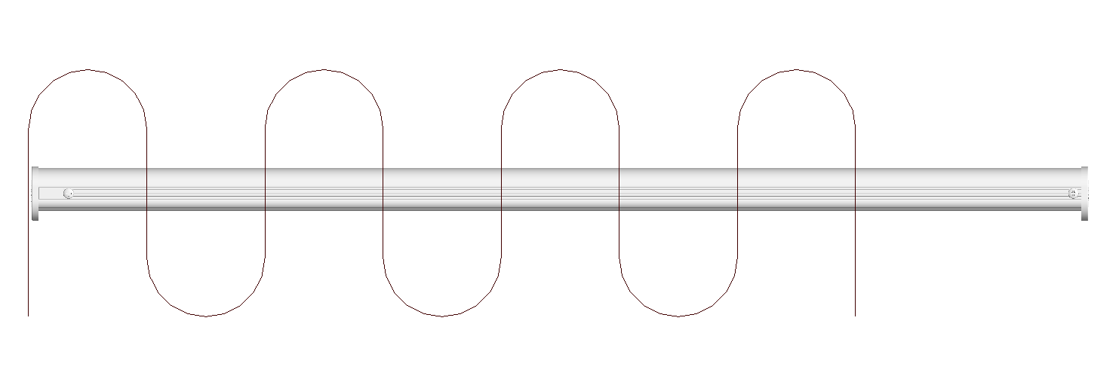 |  | 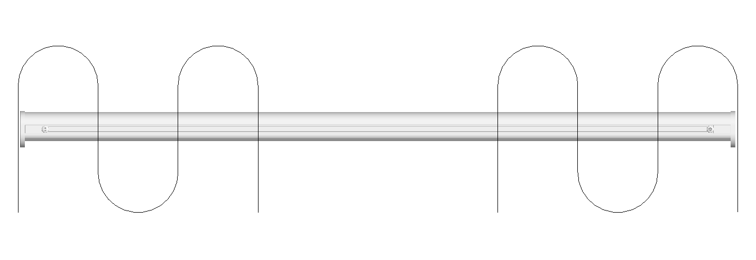
 |  |  |  |  |  |  |  |  |  |  |  |  |  |  | 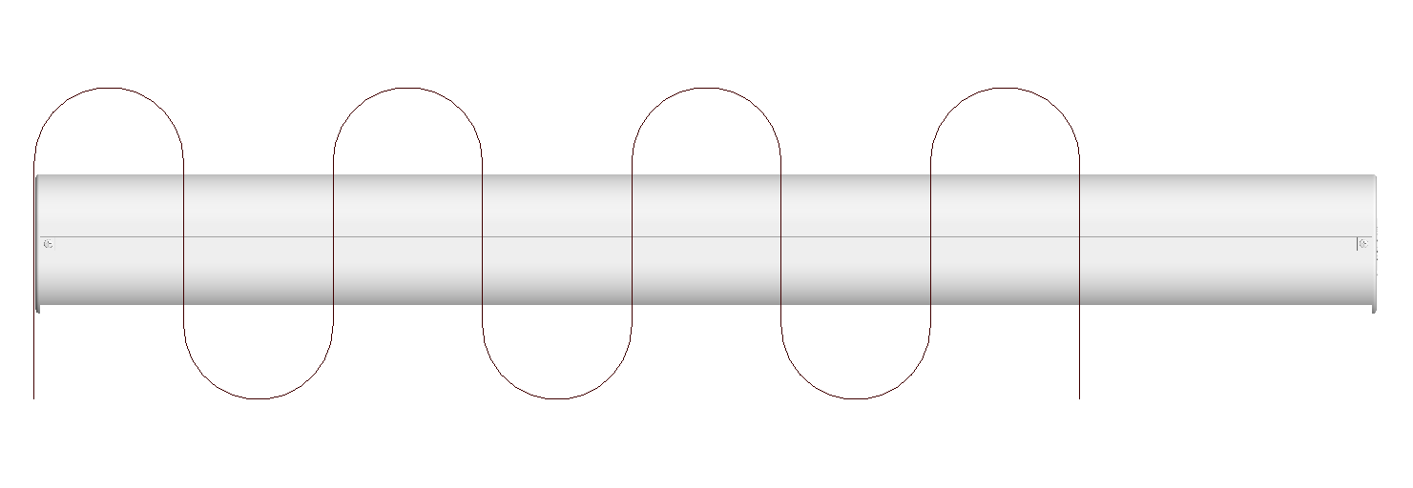 |  | 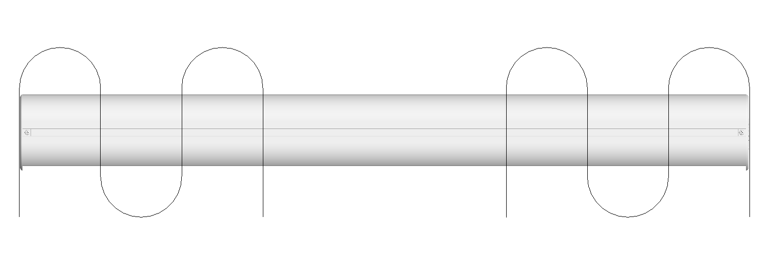
 |  |  |  |  |  |  |  |  |  |  |  |  |  |  | 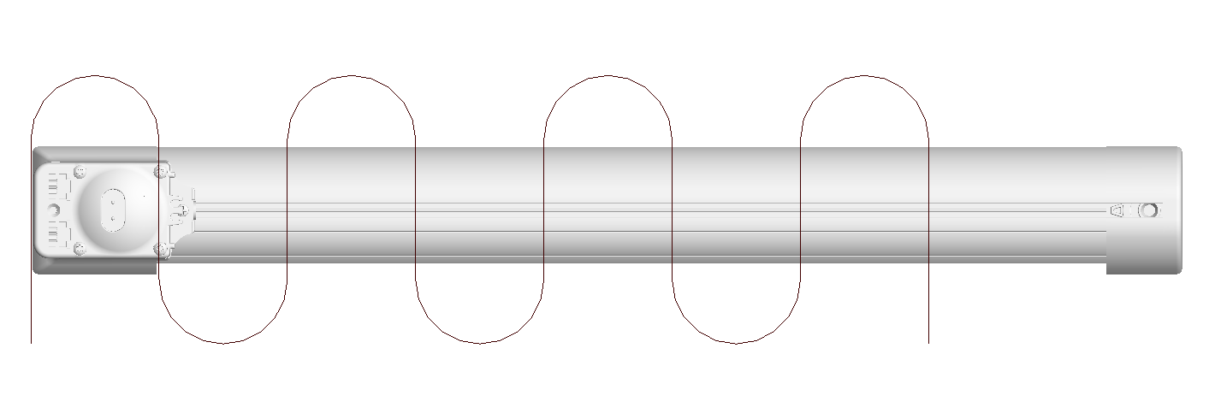 | 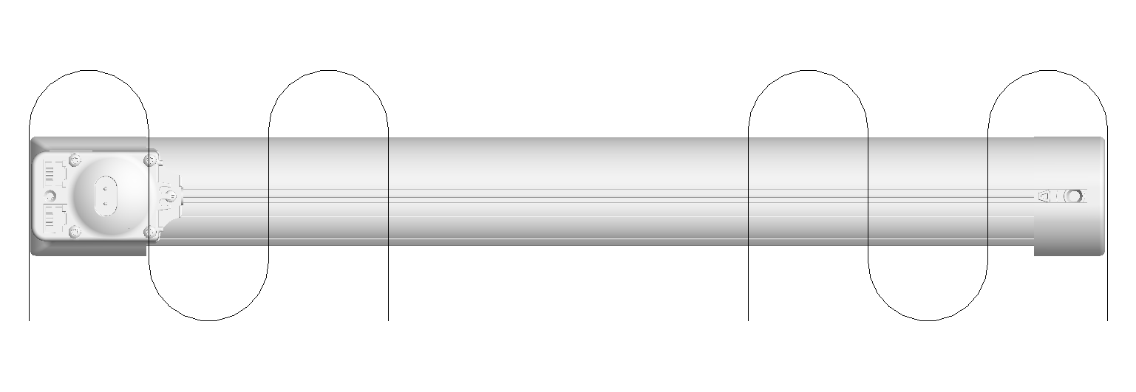
 |  |  |  |  |  |  |  |  |  |  |  |  |  |  | 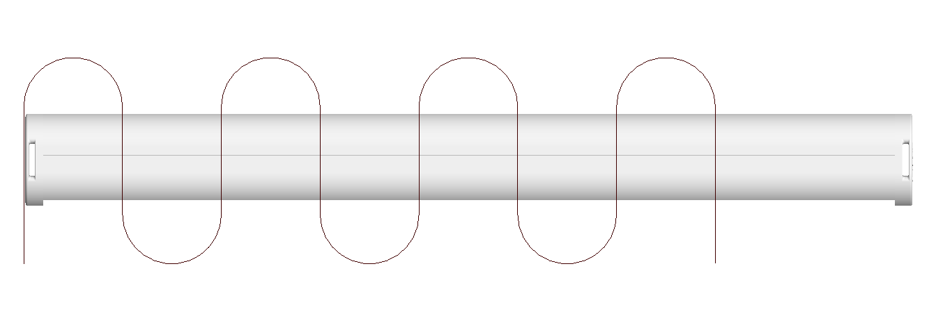 |  | 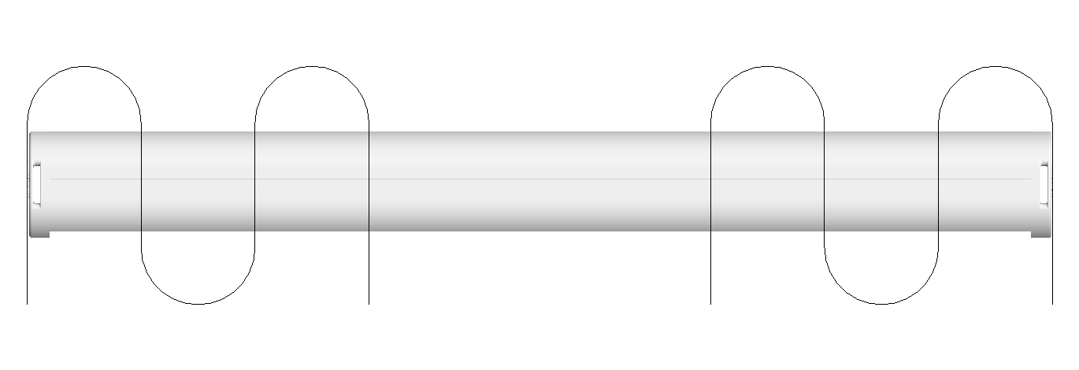
 |  |  |  |  |  |  |  |  |  |  |  |  |  |  | 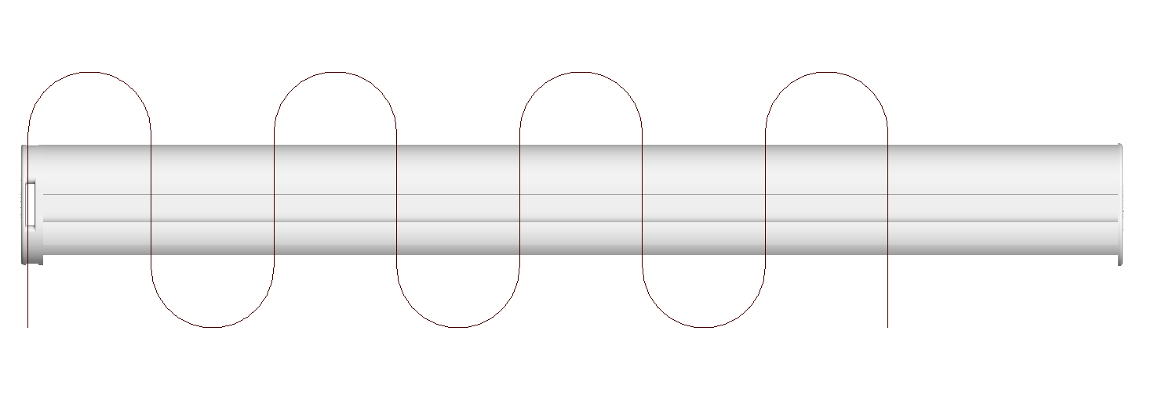 |  | 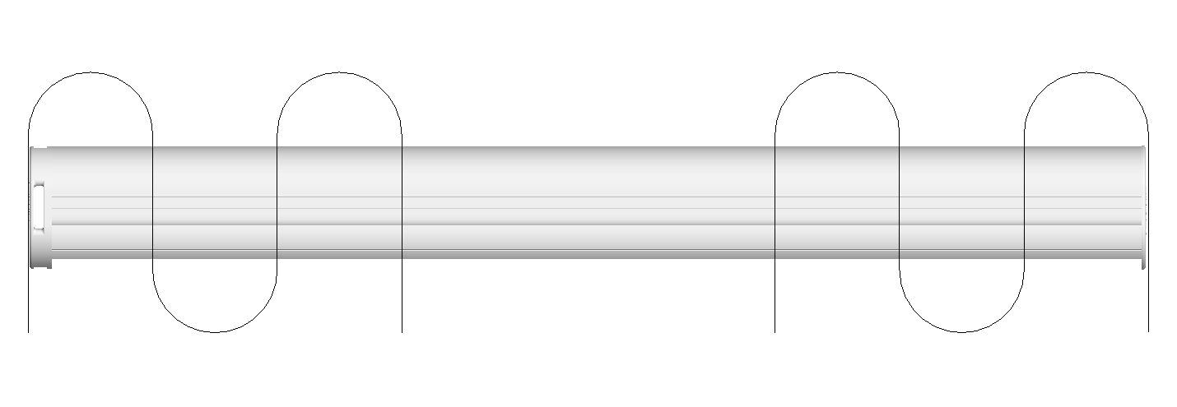

 |  |  |  |  |  |  |  |  |  |  |  |  |  |  |  |  | 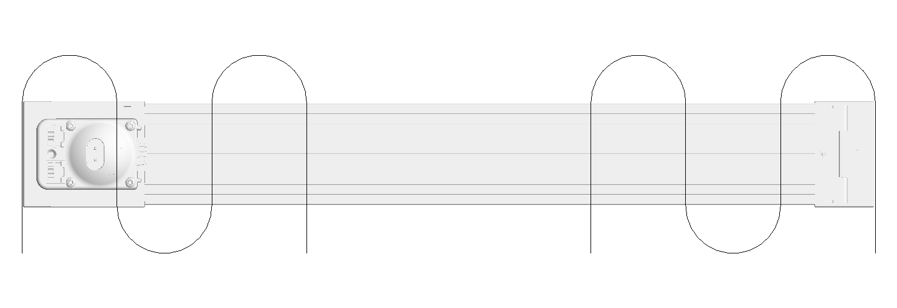
 |  |  |  |  |  |  |  |  |  |  |  |  |  |  | 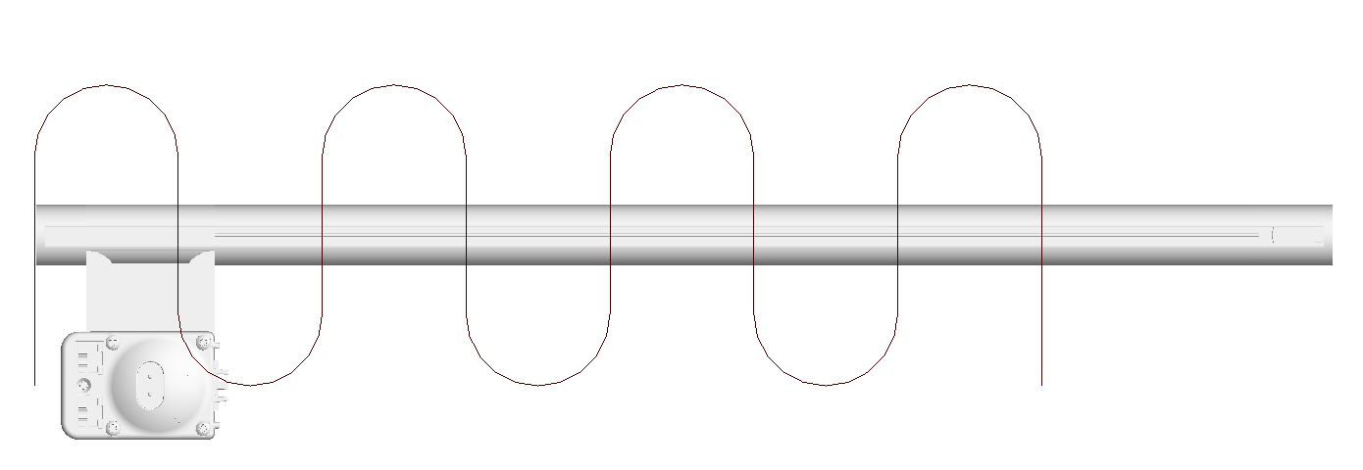 |  | 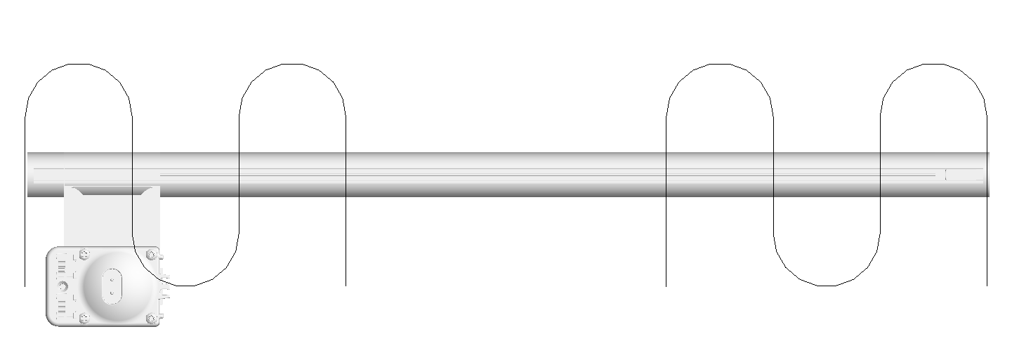
 |  |  |  |  |  |  |  |  |  |  |  |  |  |  | 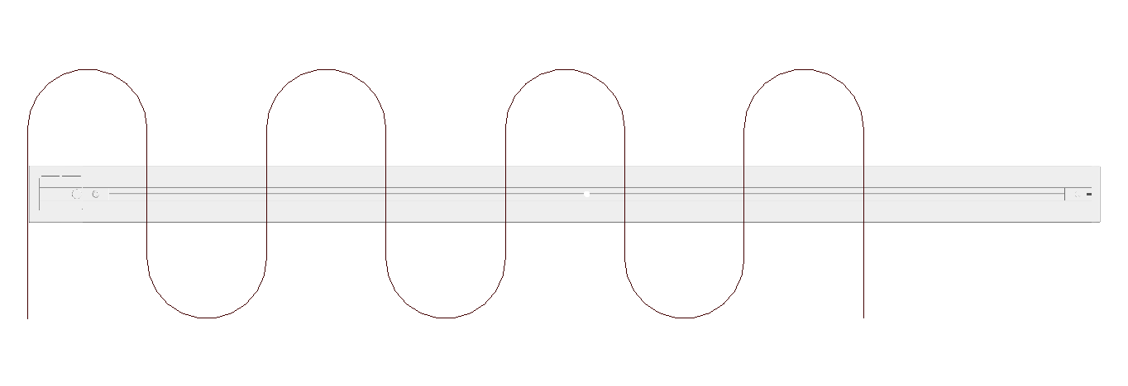 |  | 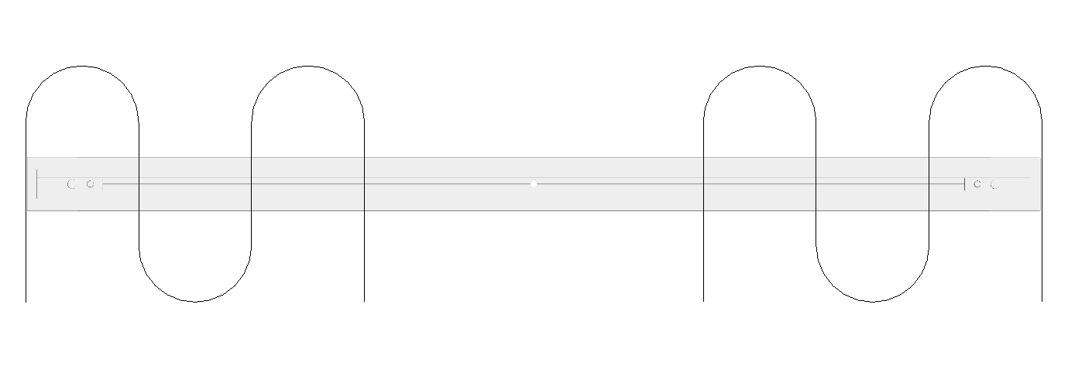
 |  |  |  |  |  |  |  |  |  |  |  |  |  |  | 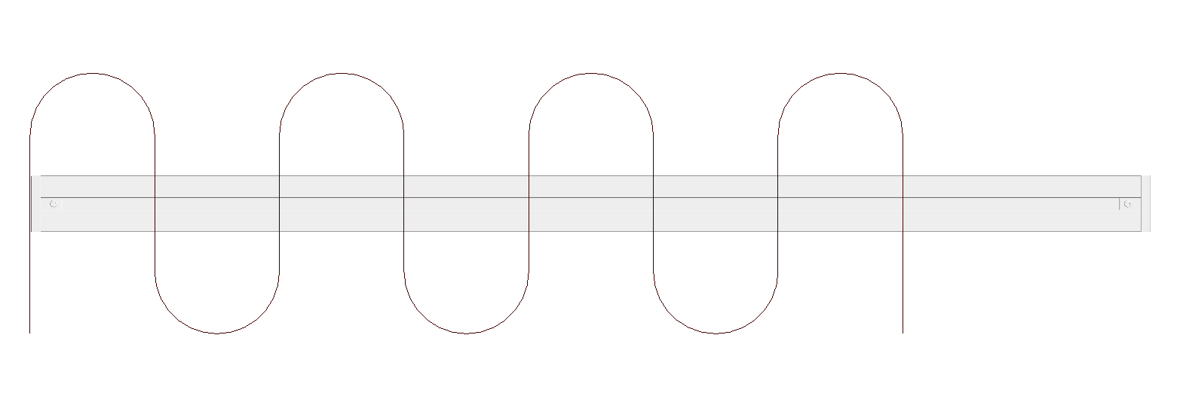 |  | 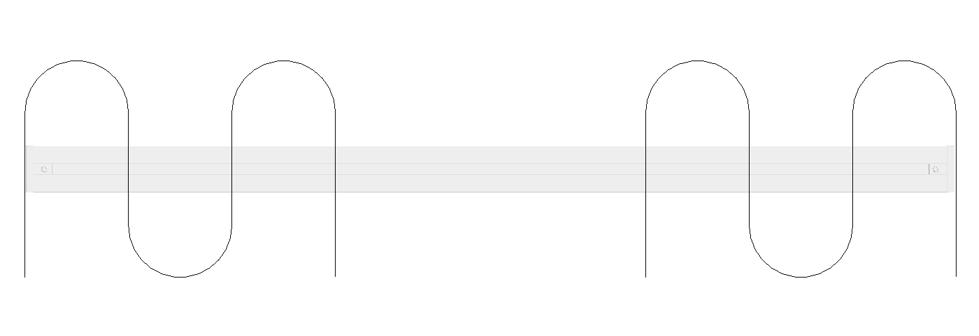
 |  |  |  |  |  |  |  |  |  |  |  |  |  |  | 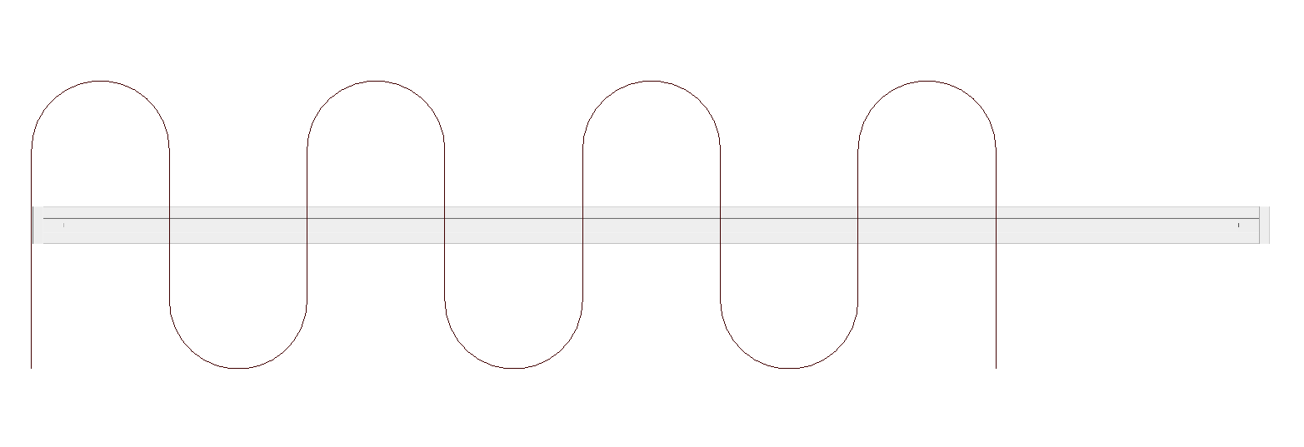 |  | 

